1. INSTRUCTIONS
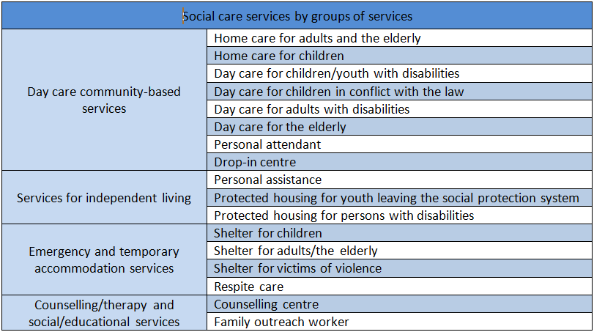 INSTRUCTIONS FOR DOWNLOADING AND USING THE SOCIAL CARE SERVICES DATABASE (Data from 2018) The data on social care services provided in this Excel file were collected through the process of “Mapping Social Care Services within the Mandate of Local Self-Governments in the Republic of Serbia”, conducted between June and October 2019. Tables 2 and 4 provide the most relevant data that can be filtered by various elements, whereas the other tables include raw data collected through the questionnaire (Annex 1 of the publication) and follow the structure of the questionnaire. Data on services are presented in Table 2: The SERVICES DATABASE (social care services within the mandate of LSGs) PIVOT, in the format that enables easier sorting and cross-referencing of the data for specific analyses (clicking on any field in the PIVOT table opens a menu on the left, in which the response to the query is created by checking the desired data). This table includes all SC services within the mandate of LSGs, which enables the retrieval of the desired data by individual services or by groups of services, as shown below. Moreover, the desired data can be obtained for each individual LSG, for a group of LSGs or as a total for all LSGs. Table 3, SERVICES DATABASE - INTEGRAL – provides an overview of all raw data for the services in the PIVOT table, for all LSGs. OVERVIEW OF ALL SERVICES BY GROUPS: Table 4. PIVOT - clubs, programmes: contains data on clubs and other support programmes that are not standardized. It is used in the same way as the PIVOT in Table 2. Table 5. CLUBS, PROGRAMMES - INTEGRAL: contains all collected raw data (similar as in Table 3). Table 5. HC - Intensity: contains raw data on the intensity of provision of HC for the elderly and HC for children (and youth). Table 6. PCA, PA - INTENSITY: contains raw data on the service provision intensity. Table 7. FAM. OUT. WORKER - INTENSITY: contains raw data on the intensity of provision of the family outreach worker servic

